SourceSystem
[dbo].[EXEMPLOYEE]
[dbo].[EXJOBHEADER]
[dbo].[EXCOMPANYINFORMATION]
EmployeeNumber9,
EmployeeNumber7,....

CompanyNumber => EntityName (CompanyNumber + Abteilung)

EmployeeNumber
JobNumber
CompanyNumber

JobNumber
[dbo].[EXTASKLISTHEADER]

[dbo].[EXFINANCEENTRY]

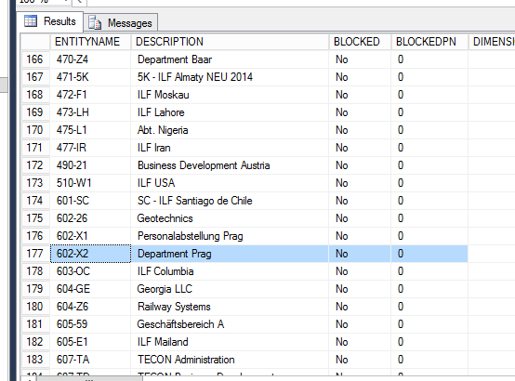

EntityName

[dbo].[EXENTITY]

TaskName
Tasklist

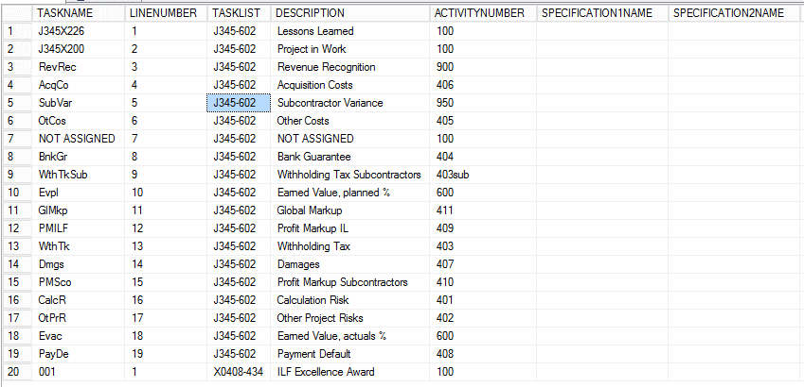
ActivityNumber
[dbo].[EXTASKLISTLINE]

[dbo].[EXJOBACTIVITY]

ActivityNumber

[dbo].[EXACTIVITY]

